POINTS DESCRIPTION-Power Supply
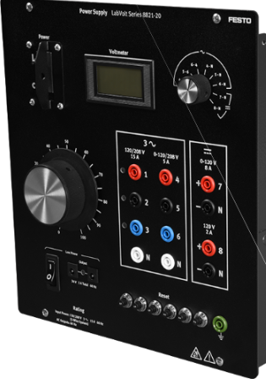
LabVolt Power Supply, 8821 |  | POINT TYPE
 |  | Hardware Point |  |  |  |  | Virtual Point
Point Description | Origin Address | DO | DI | AO | AI | Pwr |  | Destination Address | Destination Description | Notes
AC fixed 120/208 V Phase A | 1 | 0 | 0 | 0 | 0 | 1 | 0 | I1 | 4A current terminal, DAC 9063 | Data Acquisition and Control interface, 9063
AC fixed 120/208 V Phase B | 2 | 0 | 0 | 0 | 0 | 1 | 0 | I2 | 4A current terminal, DAC 9063 | Data Acquisition and Control interface, 9063
AC fixed 120/208 V Phase C | 3 | 0 | 0 | 0 | 0 | 1 | 0 | I3 | 4A current terminal, DAC 9063 | Data Acquisition and Control interface, 9063
AC fixed 120/208 V Neutral | N | 0 | 0 | 0 | 0 | 1 | 0 | Resistive load Phase A Top | LabVolt Resistive Load, 8311
24VAC, 0.4A Power Input | Power Input | 0 | 0 | 0 | 0 | 1 | 0 | Power Input | 24VAC, 0.4A Power supply, DAC 9063 | 24 VAC power supply
 | Total Points | 0 | 0 | 0 | 0 | 5 | 0

POINTS DESCRIPTION - Res load
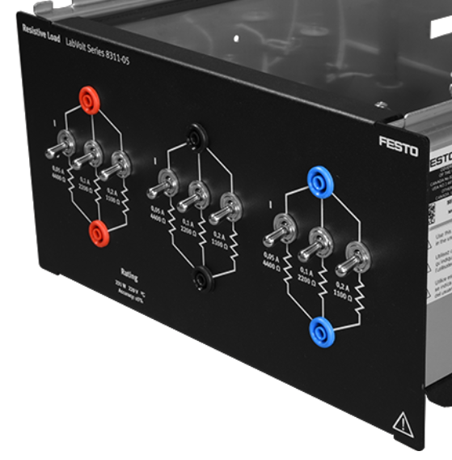
LabVolt Resistive Load, 8311 |  | POINT TYPE
 |  | Hardware Point |  |  |  |  | Virtual Point
Point Description | Origin Address | DO | DI | AO | AI | pwr |  | Destination Address | Destination Description | Notes
Resistive load Phase A Top | Red top | 0 | 0 | 0 | 0 | 1 | 0 | I1 | Current COM, DAC, 9063
Resistive load Phase A Top | Red top | 0 | 0 | 0 | 0 | 1 | 0 | E1 | Voltage 500V, DAC, 9063
Resistive load Phase A Bottom | Red bottom | 0 | 0 | 0 | 0 | 1 | 0 | E1 | Voltage COM, DAC, 9063
Resistive load Phase A Bottom | Red bottom | 0 | 0 | 0 | 0 | 1 | 0 | N | AC fixed 120/208 V Neutral, Power Supply, 8821 | Y-configeration to power supply
Resistive load Phase B Top | Black top | 0 | 0 | 0 | 0 | 1 | 0 | I2 | Current COM, DAC, 9063
Resistive load Phase B Top | Black top | 0 | 0 | 0 | 0 | 1 | 0 | E2 | Voltage 500V, DAC, 9063
Resistive load Phase B Bottom | Black bottom | 0 | 0 | 0 | 0 | 1 | 0 | E2 | Voltage COM, DAC, 9063
Resistive load Phase B Bottom | Black bottom | 0 | 0 | 0 | 0 | 1 | 0 | Red bottom | Resistive load Phase A Bottom, Resistive Load, 8311 | Y-configeration, on load bank
Resistive load Phase C Top | Blue top | 0 | 0 | 0 | 0 | 1 | 0 | I3 | Current COM, DAC, 9063
Resistive load Phase C Top | Blue top | 0 | 0 | 0 | 0 | 1 | 0 | E3 | Voltage 500V, DAC, 9063
Resistive load Phase C Bottom | Blue bottom | 0 | 0 | 0 | 0 | 1 | 0 | E3 | Voltage COM, DAC, 9063
Resistive load Phase C Bottom | Blue bottom | 0 | 0 | 0 | 0 | 1 | 0 | Black bottom | Resistive load Phase B Bottom, Resistive Load, 8311 | Y-configeration, on load bank
 | Total Points | 0 | 0 | 0 | 0 | 12 | 0

POINTS DESCRIPTION - Data Inter
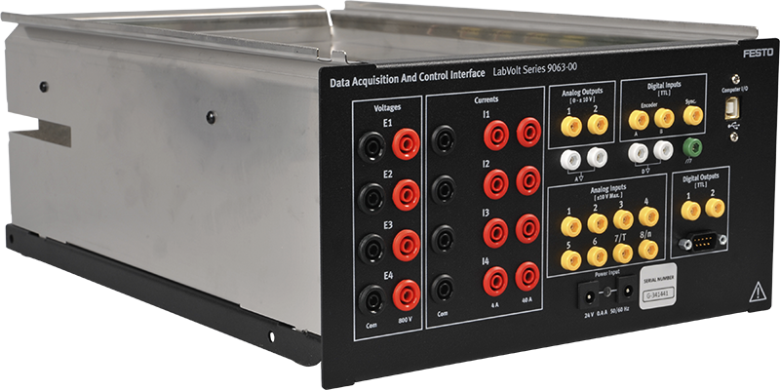
Data Acquisition and Control Interface, 9063 |  | POINT TYPE
 |  | Hardware Point |  |  |  |  | Virtual Point
Point Description | Origin Address | DO | DI | AO | AI | Pwr |  | Destination Address | Destination Description | Notes
Currents terminal 4A | I1 | 0 | 0 | 0 | 0 | 1 | 0 | 1 | AC fixed 120/208 V Phase A
Currents terminal 4A | I2 | 0 | 0 | 0 | 0 | 1 | 0 | 2 | AC fixed 120/208 V Phase B
Currents terminal 4A | I3 | 0 | 0 | 0 | 0 | 1 | 0 | 3 | AC fixed 120/208 V Phase C
Currents COM | I1 | 0 | 0 | 0 | 0 | 1 | 0 | Red top | Resistive load Phase A Top
Currents COM | I2 | 0 | 0 | 0 | 0 | 1 | 0 | Black top | Resistive load Phase B Top
Currents COM | I3 | 0 | 0 | 0 | 0 | 1 | 0 | Blue top | Resistive load Phase C Top
Voltage 500V | E1 | 0 | 0 | 0 | 0 | 1 | 0 | Red top | Resistive load Phase A Top
Voltage 500V | E2 | 0 | 0 | 0 | 0 | 1 | 0 | Black top | Resistive load Phase B Top
Voltage 500V | E3 | 0 | 0 | 0 | 0 | 1 | 0 | Blue top | Resistive load Phase C Top
Voltage COM | E1 | 0 | 0 | 0 | 0 | 1 | 0 | Red top | Resistive load Phase A Bottom
Voltage COM | E2 | 0 | 0 | 0 | 0 | 1 | 0 | Black top | Resistive load Phase B Bottom
Voltage COM | E3 | 0 | 0 | 0 | 0 | 1 | 0 | Blue top | Resistive load Phase C Bottom
Computer USB Port | Computer I/O | 0 | 0 | 0 | 0 | 1 | 0 | Computer I/O | Computer USB Port
24VAC, 0.4A Power Input | Power Input | 0 | 0 | 0 | 0 | 1 | 0 | Power Input | 24VAC, 0.4A Power Input, 8821
 | Total Points | 0 | 0 | 0 | 0 | 14 | 0

